Sheet1
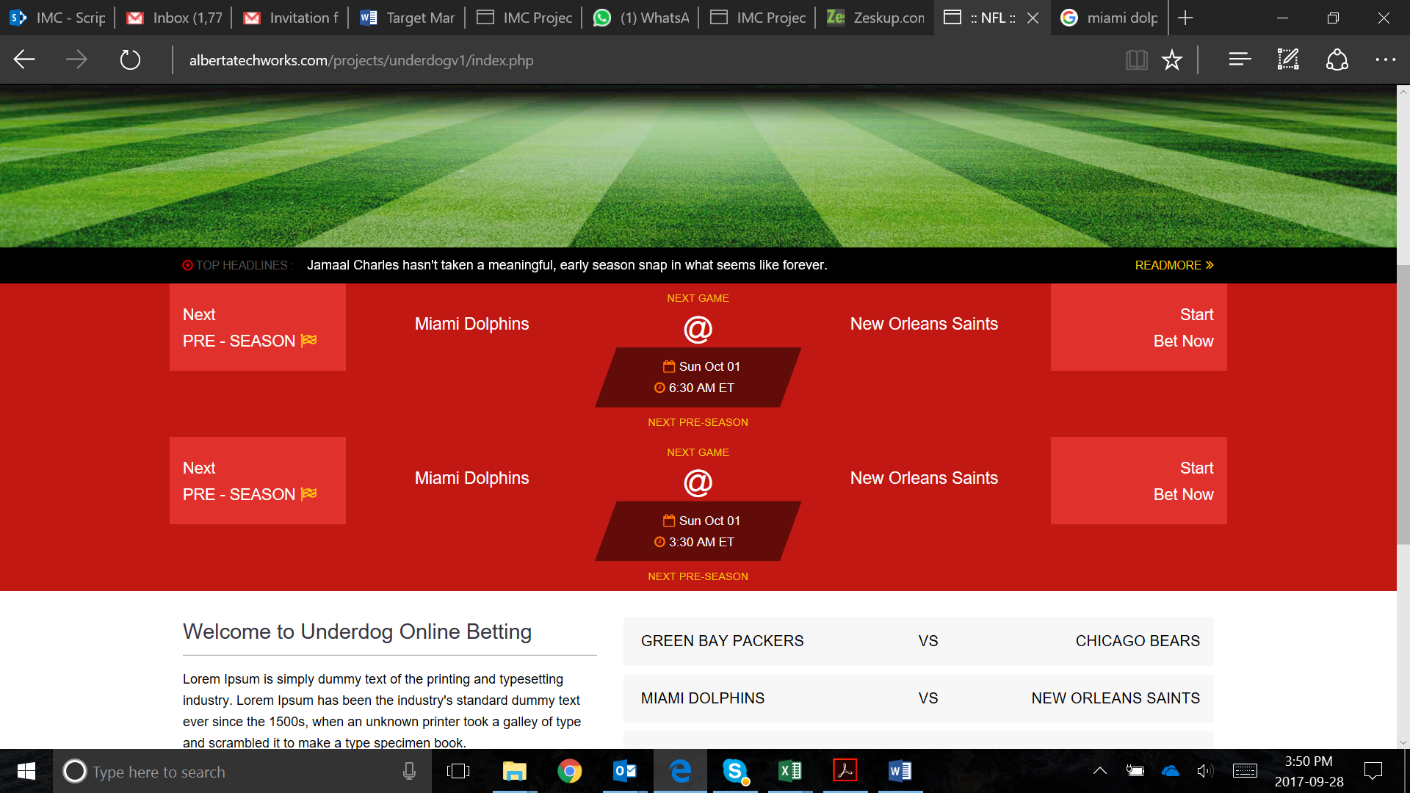

This repeats twice for some reason

There should be no "PRE SEASON" comment here. Just call it Next GAME

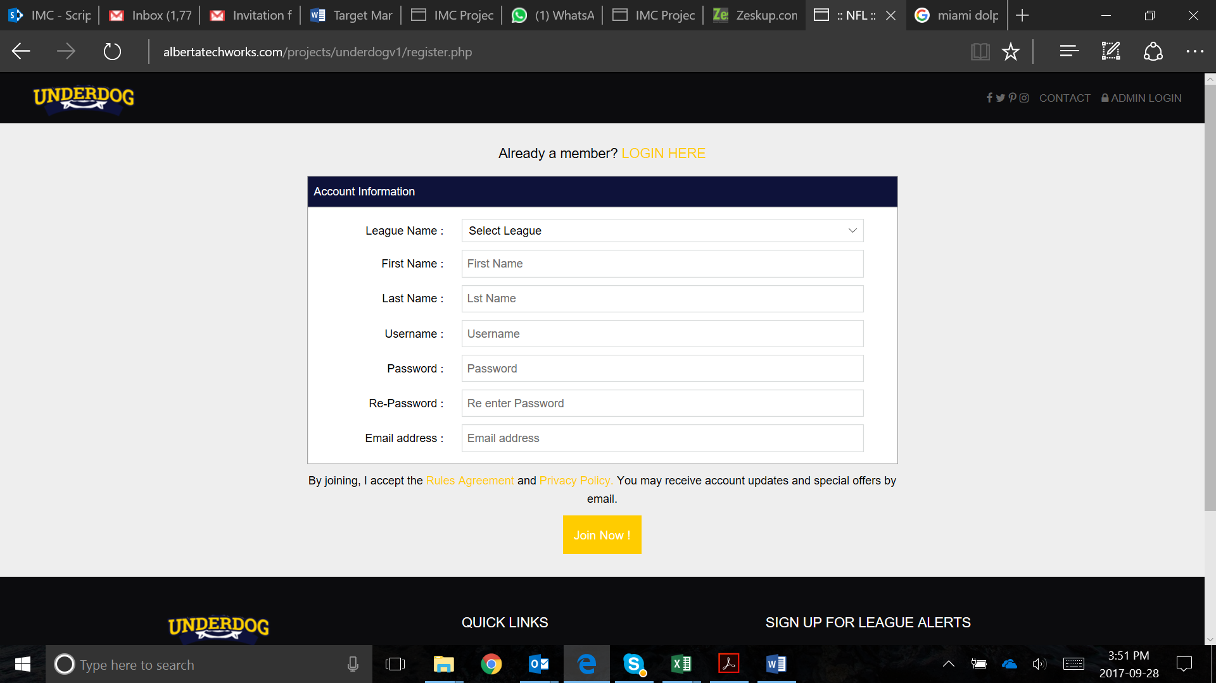

League leader signup is for a league leader creating new leagues. There cannot be pre-existing league drop downs here. It should be a text box where u can create your own league name

Spell check - Last Name (inside text box)

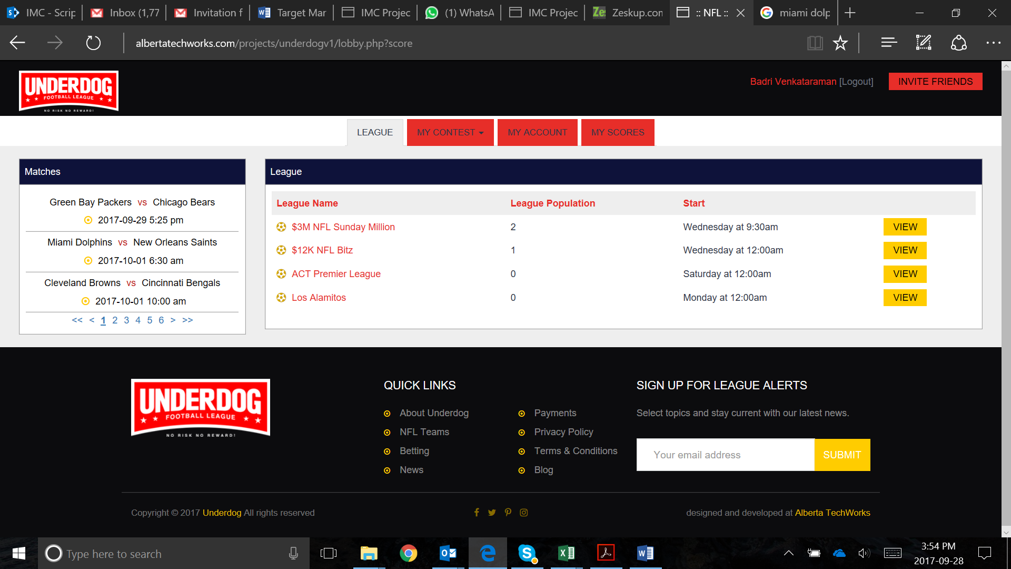

The league list when I signin should be Leagues that I created or those that I was invited to only. This hsows me list of leagues you had created.

Remove payments from the footer

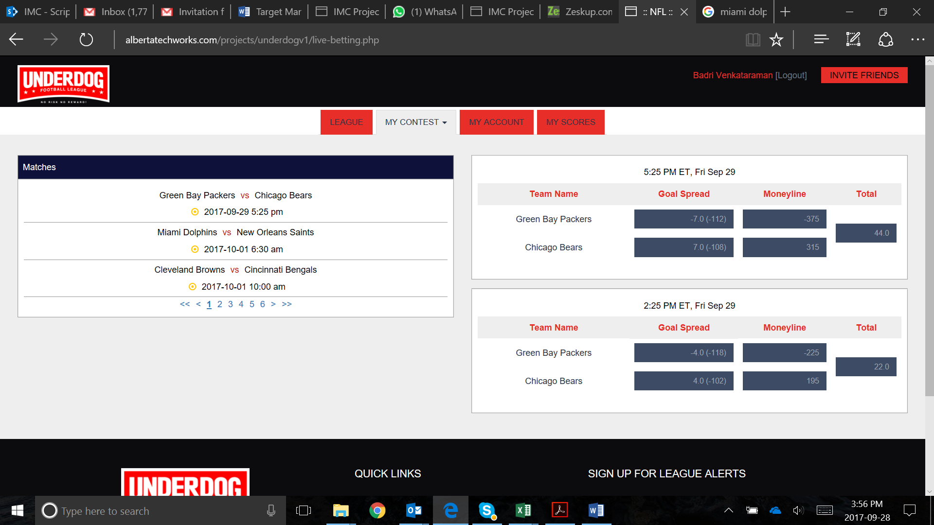

Both the boxes are showing the same teams but they are at different timings and spread is different. HOW?

The timing here seems wrong. The actual timing of the match between packers and bears is 8:30PM ET on Thursday. This shows 5:25PM Friday?

The spreads should be pulled by Tuesday of that week and locked. No change to spread sfter that

On the matches list, don’t show games beyond Sunday. For example, If today is Sunday, I cannot see games beyond next Sunday. So I will be betting only on the games till one week - that is all the games on coming Htursday and Sunday. Then again next sunday, I will see all the matches for the week after.

For games on Thursday, all the matches would be at around 8:30PM ET. So betting closes at 5PM ET on Thursday games. For Sunday games, picks need to be in at 9AM ET. Instead of Live Betting, lets call it Live Picks.

